Sheet1
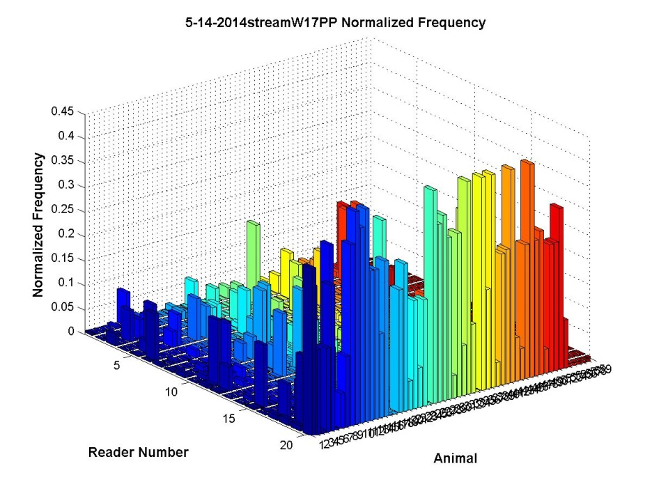
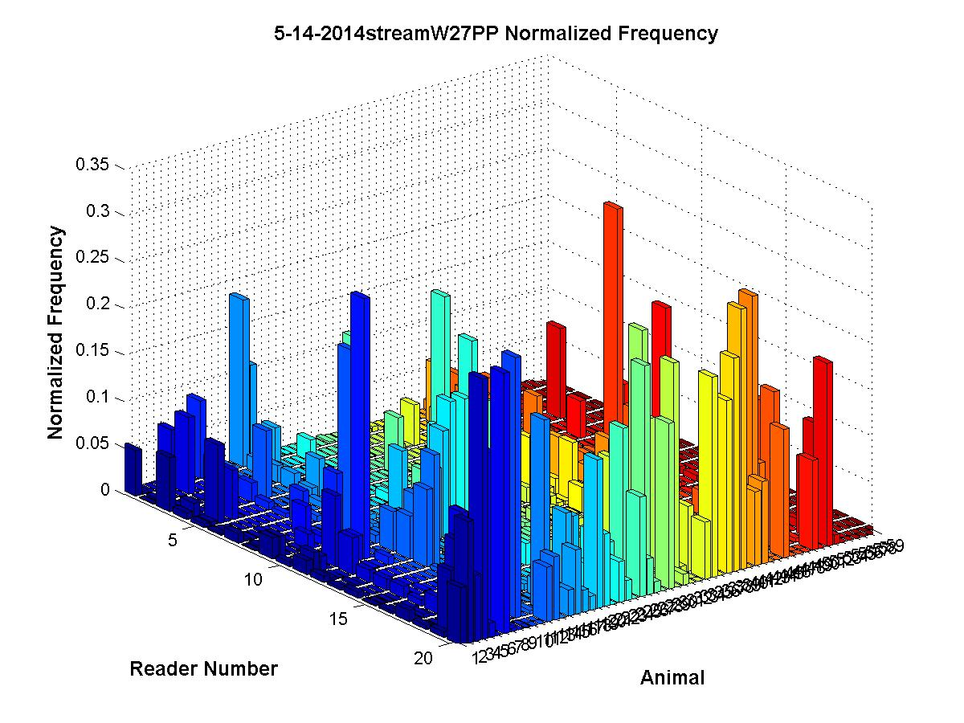
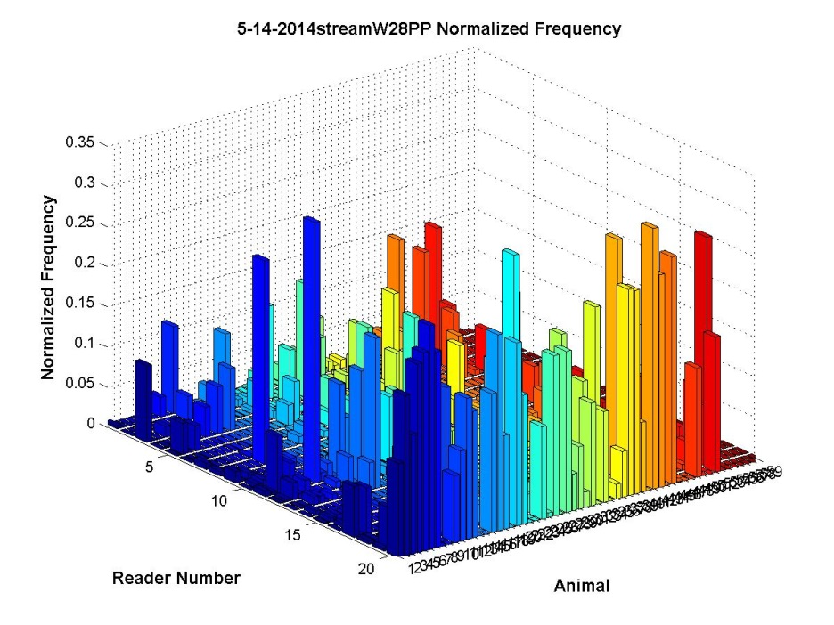
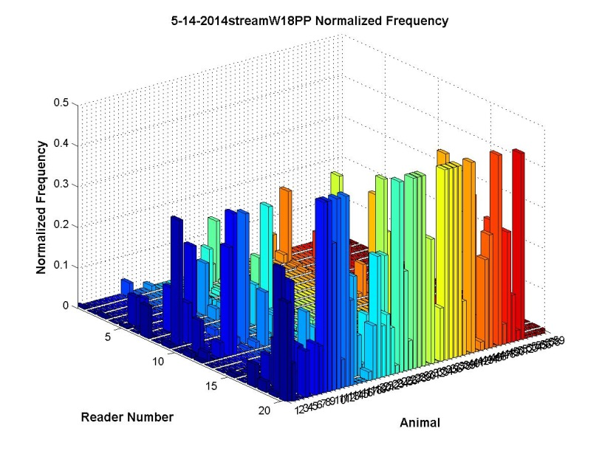
 | W2 | W3 | W4 | W5 | W6 | W7 | W8 | W9 | W10 | W11 | W12 | W13 | W14 | W15 | W16 | W17 | W18 | W19 | W20 | W21 | W22 | W23 | W24 | W25 | W26 | W27 | W28
75perc | 204 | 186 | 196 | 140 | 168 | 132 | 218 | 248 | 124 | 260 | 266 | 116 | 214 | 368 | 454 | 304 | 346 | 298 | 204 | 350 | 296 | 178 | 404 | 190 | 210 | 142 | 154
50perc | 488 | 426 | 372 | 326 | 528 | 370 | 550 | 552 | 364 | 490 | 592 | 330 | 464 | 684 | 880 | 886 | 652 | 604 | 492 | 650 | 684 | 472 | 638 | 470 | 468 | 420 | 488
Pearson
W1 Pearson raw values | 0.454 | 0.263 | 0.286 | 0.276 | 0.238 | 0.292 | 0.226 | 0.141 | 0.252 | 0.228 | 0.171 | 0.269 | 0.226 | 0.192 | 0.172 | 0.198 | 0.192 | 0.331 | 0.214 | 0.189 | 0.224 | 0.217 | 0.215 | 0.24 | 0.223 | 0.288 | 0.17
75perc | 0.082 | -0.013 | 0.072 | 0.013 | 0.078 | -0.017 | -0.041 | -0.047 | -0.013 | -0.019 | -0.05 | -0.006 | -0.022 | -0.019 | 0.032 | -0.03 | -0.026 | 0.072 | -0.019 | -0.004 | -0.014 | -0.01 | -0.016 | 0.006 | 0.014 | 0.012 | -0.025
50perc | 0.147 | -0.008 | 0.135 | 0.01 | 0.03 | 0.044 | 0.015 | -0.057 | -0.044 | 0.011 | -0.023 | 0.032 | 0.01 | 0.05 | -0.002 | -0.046 | 0.028 | 0.134 | -0.036 | -0.026 | 0.022 | -0.001 | 0.053 | -0.021 | -0.02 | -0.005 | -0.035
ZachCalcs50 | 0.153 | -0.005 | -0.015

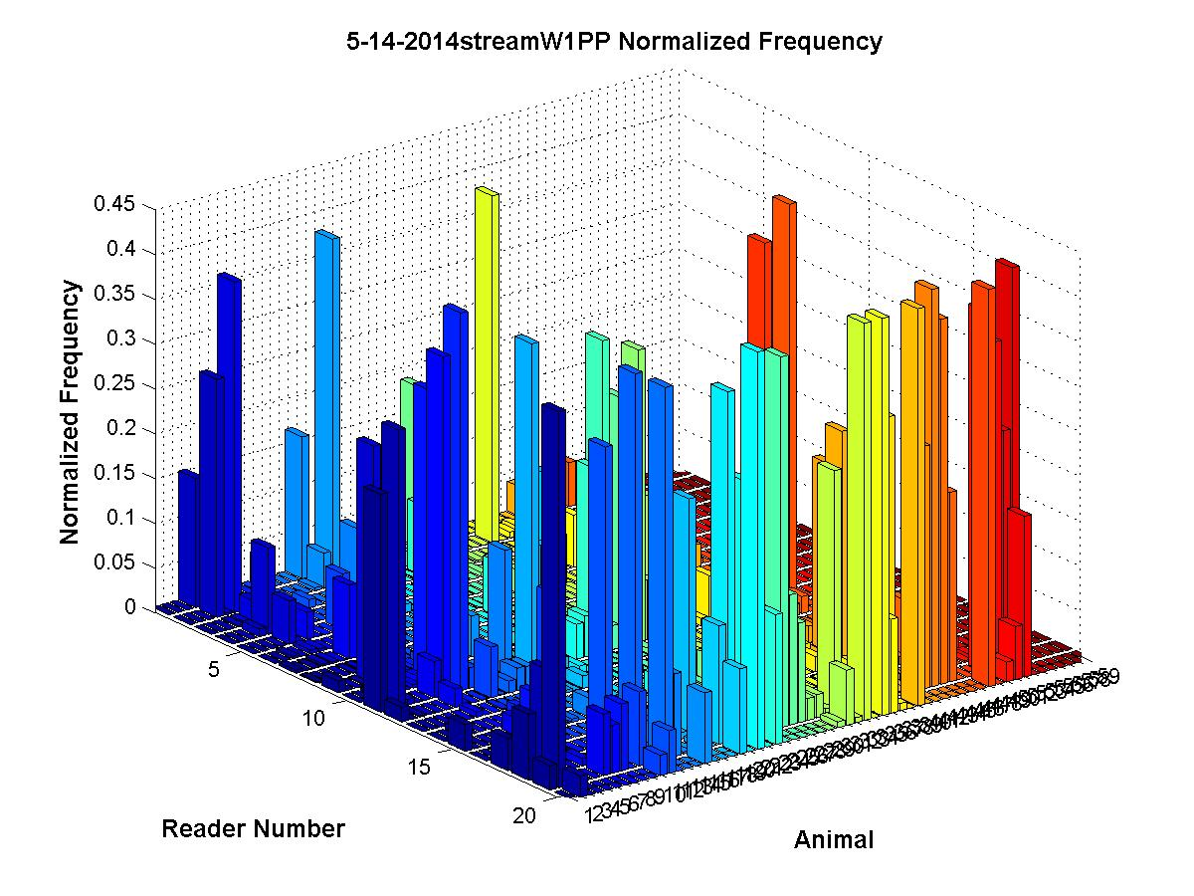
 |  |  | Daily Active Patterns |  |  |  |  |  |  |  | Sleeping Patterns |  | - height is time spent at that sensor for a while

Sheet2
 | 75perc
W2 | 204
W3 | 186
W4 | 196
W5 | 140
W6 | 168
W7 | 132
W8 | 218
W9 | 248
W10 | 124
W11 | 260
W12 | 266
W13 | 116
W14 | 214
W15 | 368
W16 | 454
W17 | 304
W18 | 346
W19 | 298
W20 | 204
W21 | 350
W22 | 296
W23 | 178
W24 | 404
W25 | 190
W26 | 210
W27 | 142
W28 | 154

